Call out page
PPK #/Size range: | 383100/Size#32x32- CLF | Season: | Spring 2026 | Sample Stage: | 1st PPS
Supplier Name: | Raymond America | Measurer: | Akhil | Date: | 25-Aug-25
FIT IMAGE
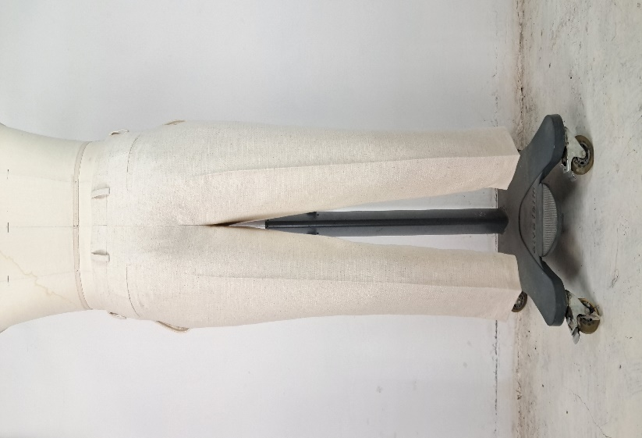 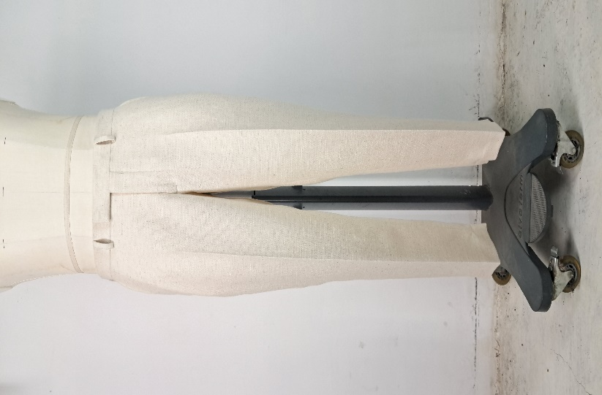 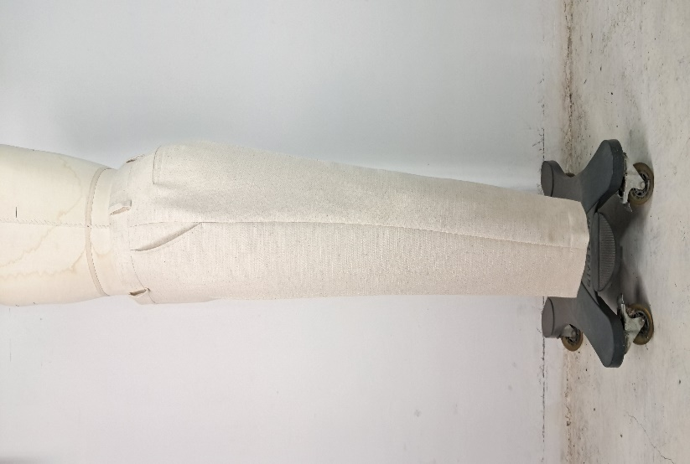

FACTORY FIT/MEASUREMENT/CONSTRUCTION/WORKMANSHIP COMMENT
1
2
3
4
5
6
7
8
9
10
WRITTEN CPA (FOR REG SIZE FIT KEEP/ PP SAMPLE SUBMISSION ONLY)

SKETCH/CONSTRUCTION/GRADING ISSUE

Pattern screen or overlay
